Sheet1
 | Editor: Pablo Oyarzo
 | Last Rev : Mar. 13th
ITEM | Model | Color | QTY Requested | Part number | Price | Picture | Remark

3D Filament | PC 1.75mm | White | 10

 |  | Light Gray | 10

 |  | Black | 10

3D Filament | ABS 1.75mm | White | 10

 |  | Light Gray | 10

 |  | Black | 10

3D Filament | PETG 1.75mm | White | 10 |  |  | 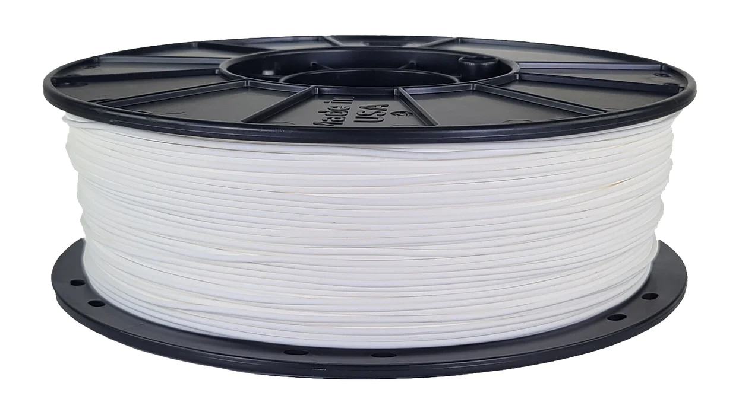

 |  | Light Gray | 10

 |  | Black | 10

